BiPart FBO SO-SX-SX-SO
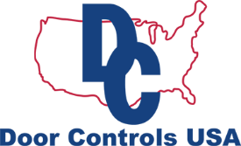
 |  |  | Order Form
DCU BI-PART FBO DOOR PACKAGE SO-SX-SX-SO

Available, Reliable, Economical & Innovative
Customer
[Name] | Job Name: | [ABC]
[Company Name] | Date: | 2019-10-15
[Street Address] | Quote #: | [100]
[City, ST ZIP Code] | Customer ID: | [ABC12345]
[Phone]

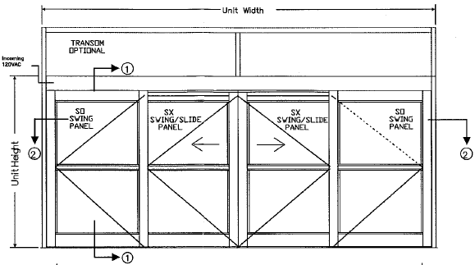
Finish:
Package Width:
Package Height:
Header Height:
Mutins:
Door Stile
Bottom Rails:
Glazing Size:
Transom Package:
Locking:
Configuration:
Sensors:
Threshold:

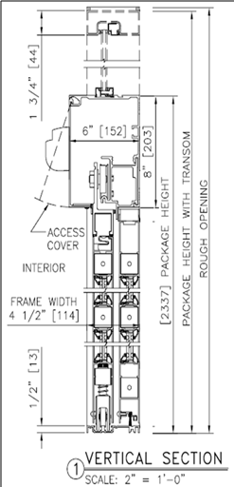

Customer Signature: |  | Date:

BiPart Fix Sidelite O-SX-SX-O
 |  |  | Order Form
DCU BI-PART, FIXED SIDELITE DOOR PACKAGE O-SX-SX-O

Available, Reliable, Economical & Innovative
Customer
[Name] | Job Name: | [ABC]
[Company Name] | Date: | 2019-10-15
[Street Address] | Quote #: | [100]
[City, ST ZIP Code] | Customer ID: | [ABC12345]
[Phone]

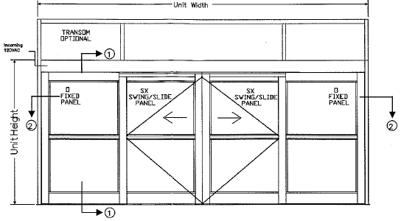
Finish:
Package Width:
Package Height:
Header Height:
Mutins:
Door Stile
Bottom Rails:
Glazing Size:
Transom Package:
Locking:
Configuration:
Sensors:
Threshold:

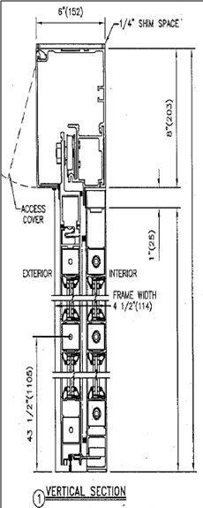
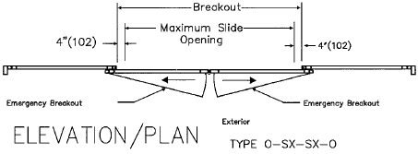

Customer Signature: |  | Date:

SS Fixed Sidelite O-SX & SX-O
 |  |  | Order Form
DCU SINGLE SLIDE FIXED SIDELITE DOOR PACKAGE O-SX & SX-O

Available, Reliable, Economical & Innovative
Customer
[Name] | Job Name: | [ABC]
[Company Name] | Date: | 2019-10-15
[Street Address] | Quote #: | [100]
[City, ST ZIP Code] | Customer ID: | [ABC12345]
[Phone]

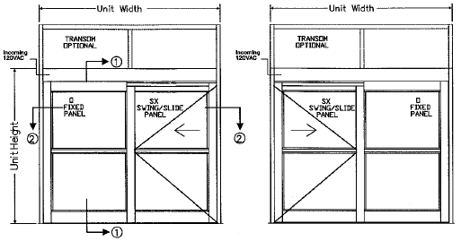
Finish:
Package Width:
Package Height:
Header Height:
Mutins:
Door Stile
Bottom Rails:
Glazing Size:
Transom Package:
Locking:
Configuration:
Sensors:
Threshold:

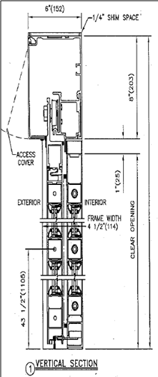



Customer Signature: |  | Date:

SS Surface-Applied P-SX & SX-P
 |  |  | Order Form
DCU SINGLE SLIDE SURFACE-APPLIED DOOR PACKAGE P-SX & SX-P

Available, Reliable, Economical & Innovative
Customer
[Name] | Job Name: | [ABC]
[Company Name] | Date: | 2019-10-15
[Street Address] | Quote #: | [100]
[City, ST ZIP Code] | Customer ID: | [ABC12345]
[Phone]

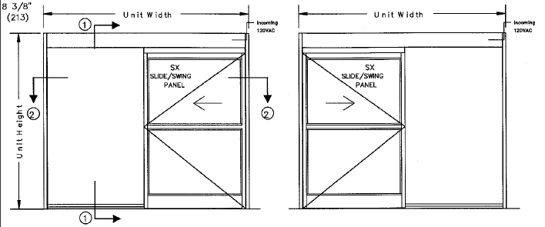
Finish:
Package Width:
Package Height:
Header Height:
Mutins:
Door Stile
Bottom Rails:
Glazing Size:
Transom Package:
Locking:
Configuration:
Sensors:
Threshold:
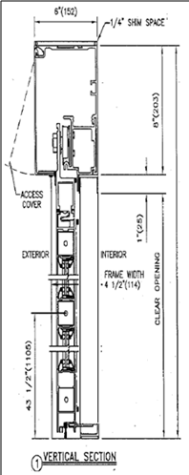


Customer Signature: |  | Date:

SS FBO SO-SX & SX-SO
 |  |  | Order Form
DCU SINGLE SLIDE FBO PACKAGE SO-SX and SX-SO

Available, Reliable, Economical & Innovative
Customer
[Name] | Job Name: | [ABC]
[Company Name] | Date: | 2019-10-15
[Street Address] | Quote #: | [100]
[City, ST ZIP Code] | Customer ID: | [ABC12345]
[Phone]

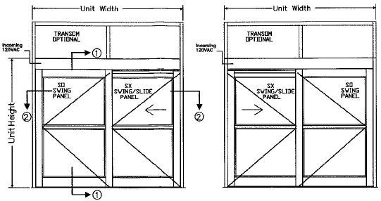
Finish:
Package Width:
Package Height:
Header Height:
Mutins:
Door Stile
Bottom Rails:
Glazing Size:
Transom Package:
Locking:
Configuration:
Sensors:
Threshold:

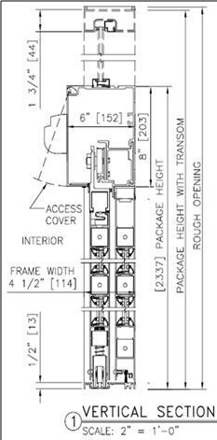

Customer Signature: |  | Date:

BiPart Surface App. P-SX-SX-P
 |  |  | Order Form
DCU BIPART SURFACE-APPLIED DOOR PACKAGE P-SX-SX-P

Available, Reliable, Economical & Innovative

Customer
[Name] | Job Name: | [ABC]
[Company Name] | Date: | 2019-10-15
[Street Address] | Quote #: | [100]
[City, ST ZIP Code] | Customer ID: | [ABC12345]
[Phone]

Finish:
Package Width:
Package Height:
Header Height:
Mutins:
Door Stile
Bottom Rails:
Glazing Size:
Transom Package:
Locking:
Configuration:
Sensors:
Threshold:
Break Metal:



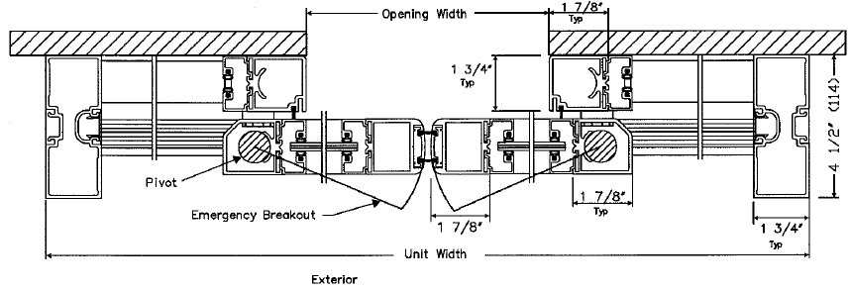

Customer Signature: |  | Date:

